tool interface
Crawler Excavator Productivity Calculator
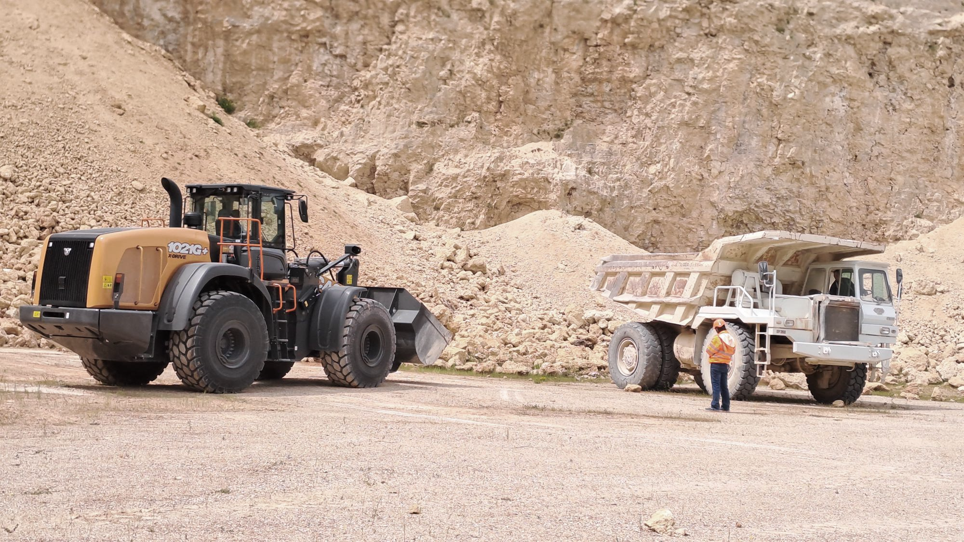
SELECT MODEL AND BUCKET
SELECTED BUCKET SPECIFICATION
Model
Select
Bucket Width
XXX mm
[mm]
Arm Type
Select
Bucket Weight
XXX kg
[kg]
Job Application
Select
Picture of selected bucket
Max Material Density
PLT data entry
Model | CX160E
Arm (m) | 2.62
Job Application | Landscaping & Utility – (Light)
Quick Coupler
[Yes]
[No]
[kg/m³]
Quick Coupler | NO
Lifting Capacity (*)
[kg]
PLT data entry
Bucket Type | General Purpose
Bucket Type
Select
* Straight – 0m – Standard Counterweight
Bucket Capacity (m3) | 0.87
Bucket Capacity
Select
JOB PARAMETERS
Material Density (t/m3) | Topsoil (dry) | 1.10
JOB INFORMATION
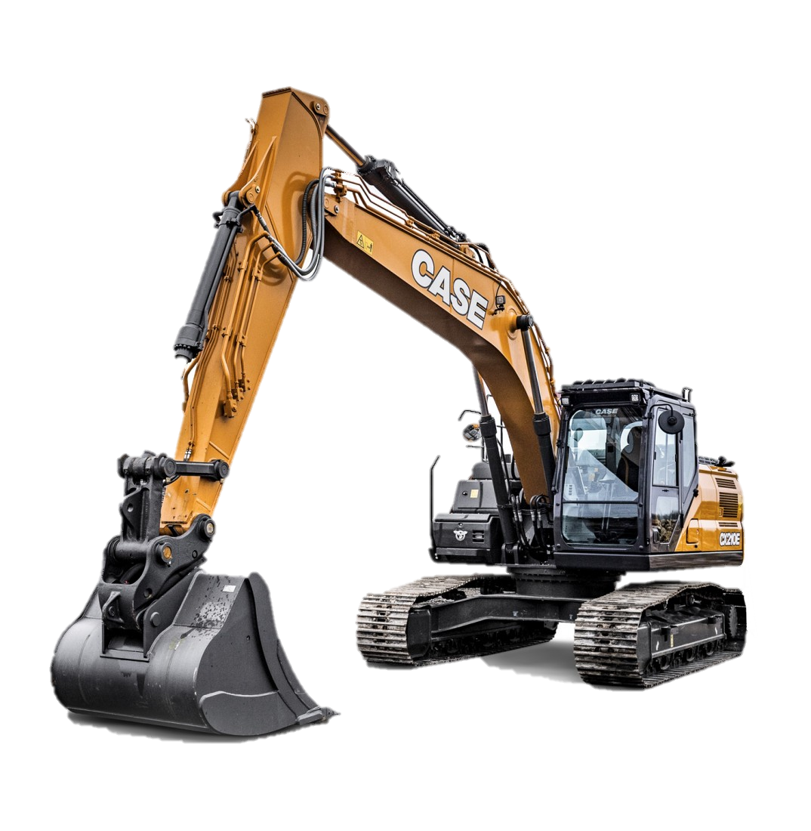
Filling Factor | 100%
Material
Select
Job Efficiency
Select
Standard Cycle Time (s) | 13.8
Filling Factor
Automatic
Daily Working Hours
Correction - Material Type | Earth and loam, clay/sand mixture | 0
Std Cycle Time
Based on Model
[sec]
Yearly Working Days
Correction - Work Condition | No obstruction, open excavation | -1
Load Weight per Cycle
[km/cycle]
Correction - Swing Angle | >90° | 2
Correction - Material Type
Select
CALCULATE
Correction - Digging Depth | HIGH=75% of the maximum digging depth | 1
Correction - Work Condition
Select
Correction – Dump Condition | On ground beside trench | -1
Correction - Swing Angle
Select
#of Cycles per Hour
Hourly Productivity
m³/h
ton/h
Corrected Cycle Time | 14.8
Correction - Digging Depth
Select
Bucket Width (mm) | 1200
Correction - Dump Condition
Select
Bucket weight (kg) | 570
Corrected Cycle Time
[sec]
Daily Productivity
m³/day
ton/day
Yearly Productivity
m³/Y
ton/Y
Max Material Density (kg/m3) | 1400
* The estimation is based on empirical data assuming ideal working conditions
Job Efficiency (min/h) | GOOD | 55
2
Daily Working Hours | 8
Yearly Working Days | 220
Load per Cycle (ton/cycle) | 0.96

Cycles per Hour | 222
Hourly Productivity (m3/h) | 193 | m3/h
Hourly Productivity (t/h) | 212 | t/h
Daily Productivity (m3/day) | 1545 | m3/day
Daily Productivity (t/day) | 1700 | t/day
Annual Productivity (m3/y) | 339926 | m3/y
Annual Productivity (t/y) | 373919 | t/y

